Sheet1
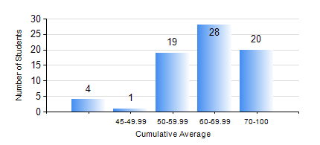
 |  |  | KWAME NKRUMAH UNIVERSITY OF SCIENCE AND TECHNOLOGY, KUMASI Department of Computer Engineering

 |  |  | BSC. BIOMEDICAL ENG.

 |  |  | COMPREHENSIVE RECORD OF EXAMINATION RESULTS

 |  |  | RESULTS OF YEAR 4 SECOND SEMESTER, 2020/2021 ACADEMIC YEAR

 | Sn | Course Code |  | Course Name | Credit Hours | Min. Mark | Max. Mark | Avg. Mark | Std. Dev. | No. Passed | No. Trailed | No. (Df) | No. (I) | No. (I*) | No. Tagged(I,I*,Df) | Total
 | 0. |  |  |  |  |  |  | 0 | 0 | 0 | 0 | 0 | 0 | 0 | 0 | 1
 | 1. | BME 394 |  | SBHSE RESEARCH PROJECTS | 2 | 64 | 82 | 80 | 5.69 | 10 | 0 | 0 | 0 | 0 | 0 | 10
 | 2. | BME 454 |  | MEDICAL DEVICE REGULATION | 3 | 40 | 97 | 67 | 15.22 | 71 | 0 | 0 | 0 | 0 | 0 | 71
 | 3. | BME 462 |  | BIOMECHANICS II | 3 | 20 | 96 | 65 | 17.88 | 69 | 2 | 0 | 0 | 0 | 0 | 71
 | 4. | BME 490 |  | BIOMEDICAL ENGR CAPSTONE II | 4 | 72 | 87 | 82 | 4.08 | 10 | 0 | 0 | 0 | 0 | 0 | 10
 | 5. | BME 498 |  | PROJECT II | 5 | 45 | 89 | 79 | 8.87 | 61 | 0 | 0 | 0 | 0 | 0 | 61
 | 6. | COE 472 |  | DIGITAL SIGNAL PROCESSING | 3 | 58 | 100 | 88 | 10.59 | 71 | 0 | 0 | 0 | 0 | 0 | 71
 | 7. | ME 492 |  | ENTREPRENEURSHIP DEVELOPMENT | 3 | 46 | 88 | 65 | 10.89 | 61 | 0 | 0 | 0 | 0 | 0 | 61

